TestSummary
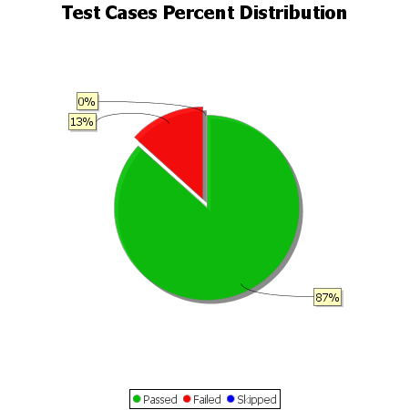
Total Test Cases | 15
Test Cases Passed | 13
Test Cases Failed | 2
Test Cases Skipped | 0

